V4 - GN - All
Gaussian Noise |  | (0, 0.01) |  |  |  |  |  |  |  | (0, 0.05) |  |  |  |  |  |  |  | (0, 0.1) |  |  |  |  |  |  |  | (0, 0.25) |  |  |  |  |  |  |  | (0, 0.5) |  |  |  |  |  |  |  | (0, 0.75) |  |  |  |  |  |  |  | (0, 1)
H0 Accuracy |  | 0.91853 |  |  |  |  |  |  |  | 0.91853 |  |  |  |  |  |  |  | 0.91853 |  |  |  |  |  |  |  | 0.91853 |  |  |  |  |  |  |  | 0.91853 |  |  |  |  |  |  |  | 0.91853 |  |  |  |  |  |  |  | 0.91853
PRD Accuracy |  | 0.92062 (100.2%) |  |  |  |  |  |  |  | 0.89872 (97.8%) |  |  |  |  |  |  |  | 0.86644 (94.3%) |  |  |  |  |  |  |  | 0.81667 (88.9%) |  |  |  |  |  |  |  | 0.75944 (82.6%) |  |  |  |  |  |  |  | 0.71584 (77.9%) |  |  |  |  |  |  |  | 0.67764 (73.7%)
Test Method |  | Test Method |  |  |  | Distance |  |  |  | Test Method |  |  |  | Distance |  |  |  | Test Method |  |  |  | Distance |  |  |  | Test Method |  |  |  | Distance |  |  |  | Test Method |  |  |  | Distance |  |  |  | Test Method |  |  |  | Distance |  |  |  | Test Method |  |  |  | Distance
 |  | KS-Test | KS-1S | T-Test | T-1S | H0_D | PRD_D | Diff | Ratio | KS-Test | KS-1S | T-Test | T-1S | H0_D | PRD_D | Diff | Ratio | KS-Test | KS-1S | T-Test | T-1S | H0_D | PRD_D | Diff | Ratio | KS-Test | KS-1S | T-Test | T-1S | H0_D | PRD_D | Diff | Ratio | KS-Test | KS-1S | T-Test | T-1S | H0_D | PRD_D | Diff | Ratio | KS-Test | KS-1S | T-Test | T-1S | H0_D | PRD_D | Diff | Ratio | KS-Test | KS-1S | T-Test | T-1S | H0_D | PRD_D | Diff | Ratio
EM Distance | 100/100 | 15.9% | 0.0% | 17.2% | 0.0% | 0.05388 | 0.05734 | 0.00346 | 6.42% | 100.0% | 1.9% | 100.0% | 0.0% | 0.05388 | 0.10419 | 0.05031 | 93.37% | 100.0% | 99.9% | 100.0% | 0.0% | 0.05388 | 0.14724 | 0.09336 | 173.27% | 100.0% | 100.0% | 100.0% | 82.1% | 0.05388 | 0.21044 | 0.15656 | 290.57% | 100.0% | 100.0% | 100.0% | 100.0% | 0.05388 | 0.25608 | 0.20220 | 375.28% | 100.0% | 100.0% | 100.0% | 100.0% | 0.05388 | 0.27975 | 0.22587 | 419.21% | 100.0% | 100.0% | 100.0% | 100.0% | 0.05388 | 0.29476 | 0.24088 | 447.07%
EM Distance | 100/500 | 88.8% | 0.0% | 51.4% | 0.0% | 0.05390 | 0.05732 | 0.00342 | 6.35% | 100.0% | 60.6% | 100.0% | 0.0% | 0.05390 | 0.10410 | 0.05020 | 93.14% | 100.0% | 100.0% | 100.0% | 0.0% | 0.05390 | 0.14714 | 0.09324 | 172.99% | 100.0% | 100.0% | 100.0% | 100.0% | 0.05390 | 0.21037 | 0.15647 | 290.30% | 100.0% | 100.0% | 100.0% | 100.0% | 0.05390 | 0.25606 | 0.20216 | 375.06% | 100.0% | 100.0% | 100.0% | 100.0% | 0.05390 | 0.27979 | 0.22589 | 419.09% | 100.0% | 100.0% | 100.0% | 100.0% | 0.05390 | 0.29479 | 0.24089 | 446.92%
EM Distance | 100/1000 | 99.9% | 0.0% | 78.7% | 0.0% | 0.05391 | 0.05734 | 0.00343 | 6.36% | 100.0% | 98.8% | 100.0% | 0.0% | 0.05391 | 0.10413 | 0.05022 | 93.16% | 100.0% | 100.0% | 100.0% | 0.0% | 0.05391 | 0.14719 | 0.09328 | 173.03% | 100.0% | 100.0% | 100.0% | 100.0% | 0.05391 | 0.21040 | 0.15649 | 290.28% | 100.0% | 100.0% | 100.0% | 100.0% | 0.05391 | 0.25606 | 0.20215 | 374.98% | 100.0% | 100.0% | 100.0% | 100.0% | 0.05391 | 0.27981 | 0.22590 | 419.03% | 100.0% | 100.0% | 100.0% | 100.0% | 0.05391 | 0.29479 | 0.24088 | 446.82%
EM Distance | 500/100 | 100.0% | 0.0% | 97.7% | 0.0% | 0.02412 | 0.03110 | 0.00698 | 28.94% | 100.0% | 100.0% | 100.0% | 67.2% | 0.02412 | 0.09152 | 0.06740 | 279.44% | 100.0% | 100.0% | 100.0% | 100.0% | 0.02412 | 0.14048 | 0.11636 | 482.42% | 100.0% | 100.0% | 100.0% | 100.0% | 0.02412 | 0.20717 | 0.18305 | 758.91% | 100.0% | 100.0% | 100.0% | 100.0% | 0.02412 | 0.25397 | 0.22985 | 952.94% | 100.0% | 100.0% | 100.0% | 100.0% | 0.02412 | 0.27822 | 0.25410 | 1053.48% | 100.0% | 100.0% | 100.0% | 100.0% | 0.02412 | 0.29347 | 0.26935 | 1116.71%
EM Distance | 500/500 | 100.0% | 0.0% | 100.0% | 0.0% | 0.02317 | 0.03110 | 0.00793 | 34.23% | 100.0% | 100.0% | 100.0% | 100.0% | 0.02417 | 0.09151 | 0.06734 | 278.61% | 100.0% | 100.0% | 100.0% | 100.0% | 0.02417 | 0.14046 | 0.11629 | 481.13% | 100.0% | 100.0% | 100.0% | 100.0% | 0.02417 | 0.20715 | 0.18298 | 757.05% | 100.0% | 100.0% | 100.0% | 100.0% | 0.02417 | 0.25398 | 0.22981 | 950.81% | 100.0% | 100.0% | 100.0% | 100.0% | 0.02417 | 0.27823 | 0.25406 | 1051.14% | 100.0% | 100.0% | 100.0% | 100.0% | 0.02417 | 0.29348 | 0.26931 | 1114.23%
EM Distance | 500/1000 | 100.0% | 0.0% | 100.0% | 0.0% | 0.02419 | 0.03110 | 0.00691 | 28.57% | 100.0% | 100.0% | 100.0% | 100.0% | 0.02419 | 0.09153 | 0.06734 | 278.38% | 100.0% | 100.0% | 100.0% | 100.0% | 0.02419 | 0.14048 | 0.11629 | 480.74% | 100.0% | 100.0% | 100.0% | 100.0% | 0.02419 | 0.27170 | 0.24751 | 1023.19% | 100.0% | 100.0% | 100.0% | 100.0% | 0.02419 | 0.25398 | 0.22979 | 949.94% | 100.0% | 100.0% | 100.0% | 100.0% | 0.02419 | 0.27823 | 0.25404 | 1050.19% | 100.0% | 100.0% | 100.0% | 100.0% | 0.02419 | 0.29349 | 0.26930 | 1113.27%
EM Distance | 1000/100 | 100.0% | 0.0% | 100.0% | 0.0% | 0.01710 | 0.02553 | 0.00843 | 49.30% | 100.0% | 100.0% | 100.0% | 100.0% | 0.01710 | 0.08956 | 0.07246 | 423.74% | 100.0% | 100.0% | 100.0% | 100.0% | 0.01710 | 0.13971 | 0.12261 | 717.02% | 100.0% | 100.0% | 100.0% | 100.0% | 0.01710 | 0.20679 | 0.18969 | 1109.30% | 100.0% | 100.0% | 100.0% | 100.0% | 0.01710 | 0.25373 | 0.23663 | 1383.80% | 100.0% | 100.0% | 100.0% | 100.0% | 0.01710 | 0.27804 | 0.26094 | 1525.96% | 100.0% | 100.0% | 100.0% | 100.0% | 0.01710 | 0.29332 | 0.27622 | 1615.32%
EM Distance | 1000/500 | 100.0% | 0.0% | 100.0% | 0.0% | 0.01712 | 0.02556 | 0.00844 | 49.30% | 100.0% | 100.0% | 100.0% | 100.0% | 0.01712 | 0.08959 | 0.07247 | 423.31% | 100.0% | 100.0% | 100.0% | 100.0% | 0.01712 | 0.13973 | 0.12261 | 716.18% | 100.0% | 100.0% | 100.0% | 100.0% | 0.01712 | 0.20680 | 0.18968 | 1107.94% | 100.0% | 100.0% | 100.0% | 100.0% | 0.01712 | 0.25372 | 0.23660 | 1382.01% | 100.0% | 100.0% | 100.0% | 100.0% | 0.01712 | 0.27804 | 0.26092 | 1524.07% | 100.0% | 100.0% | 100.0% | 100.0% | 0.01712 | 0.29331 | 0.27619 | 1613.26%
EM Distance | 1000/1000 | 100.0% | 0.0% | 100.0% | 0.0% | 0.01715 | 0.02556 | 0.00841 | 49.04% | 100.0% | 100.0% | 100.0% | 100.0% | 0.01715 | 0.08958 | 0.07243 | 422.33% | 100.0% | 100.0% | 100.0% | 100.0% | 0.01715 | 0.13972 | 0.12257 | 714.69% | 100.0% | 100.0% | 100.0% | 100.0% | 0.01715 | 0.20679 | 0.18964 | 1105.77% | 100.0% | 100.0% | 100.0% | 100.0% | 0.01715 | 0.25373 | 0.23658 | 1379.48% | 100.0% | 100.0% | 100.0% | 100.0% | 0.01715 | 0.27804 | 0.26089 | 1521.22% | 100.0% | 100.0% | 100.0% | 100.0% | 0.01715 | 0.29332 | 0.27617 | 1610.32%
KS Test | 100 | 8.9% | 0.0% |  |  | 0.11120 | 0.13432 | 0.02312 | 20.8% | 94.7% | 0.1% |  |  | 0.11120 | 0.26111 | 0.14991 | 134.8% | 100.0% | 2.2% |  |  | 0.11120 | 0.33075 | 0.21955 | 197.4% | 100.0% | 39.4% |  |  | 0.11120 | 0.40628 | 0.29508 | 265.4% | 100.0% | 76.9% |  |  | 0.11120 | 0.44532 | 0.33412 | 300.5% | 100.0% | 86.2% |  |  | 0.11120 | 0.46041 | 0.34921 | 314.0% | 100.0% | 90.1% |  |  | 0.11200 | 0.46855 | 0.35655 | 318.3%
KS Test | 250 | 24.1% | 0.0% |  |  | 0.06976 | 0.10333 | 0.03357 | 48.1% | 100.0% | 0.0% |  |  | 0.06976 | 0.23591 | 0.16615 | 238.2% | 100.0% | 15.9% |  |  | 0.06976 | 0.30708 | 0.23732 | 340.2% | 100.0% | 94.7% |  |  | 0.06976 | 0.38408 | 0.31432 | 450.6% | 100.0% | 99.8% |  |  | 0.06976 | 0.42330 | 0.35354 | 506.8% | 100.0% | 99.9% |  |  | 0.06976 | 0.43916 | 0.36940 | 529.5% | 100.0% | 100.0% |  |  | 0.06976 | 0.44766 | 0.37790 | 541.7%
KS Test | 500 | 52.9% | 0.0% |  |  | 0.05022 | 0.08806 | 0.03784 | 75.3% | 100.0% | 0.9% |  |  | 0.05022 | 0.22340 | 0.17318 | 344.8% | 100.0% | 57.8% |  |  | 0.05022 | 0.29484 | 0.24462 | 487.1% | 100.0% | 100.0% |  |  | 0.05022 | 0.37286 | 0.32264 | 642.5% | 100.0% | 100.0% |  |  | 0.05022 | 0.41270 | 0.36248 | 721.8% | 100.0% | 100.0% |  |  | 0.05022 | 0.42864 | 0.37842 | 753.5% | 100.0% | 100.0% |  |  | 0.05022 | 0.43738 | 0.38716 | 770.9%
KS Test | 1000 | 90.9% | 0.0% |  |  | 0.03601 | 0.08122 | 0.04521 | 125.5% | 100.0% | 4.0% |  |  | 0.03601 | 0.21655 | 0.18054 | 501.4% | 100.0% | 96.2% |  |  | 0.03601 | 0.28806 | 0.25205 | 699.9% | 100.0% | 11.1% |  |  | 0.03601 | 0.36643 | 0.33042 | 917.6% | 100.0% | 100.0% |  |  | 0.03601 | 0.40630 | 0.37029 | 1028.3% | 100.0% | 100.0% |  |  | 0.03601 | 0.42230 | 0.38629 | 1072.7% | 100.0% | 100.0% |  |  | 0.03601 | 0.43095 | 0.39494 | 1096.8%
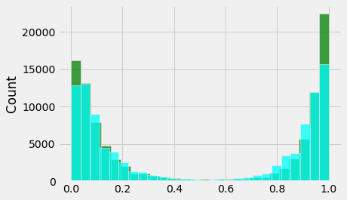
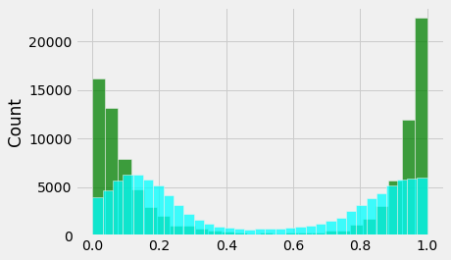
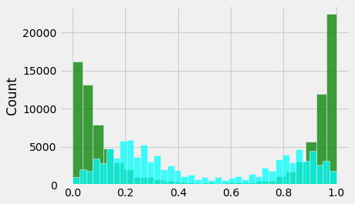
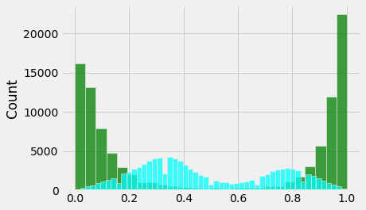
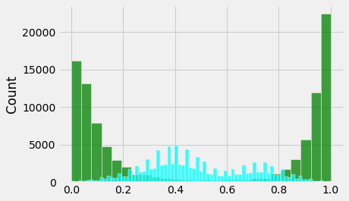
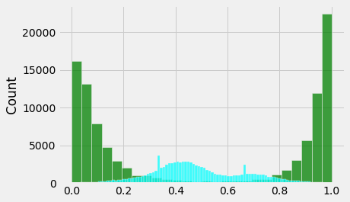
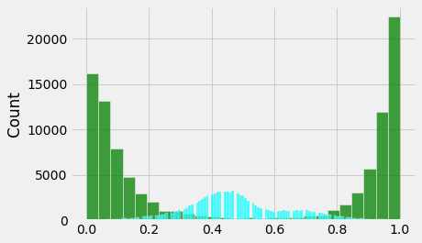
One-sided T-Test
Ho: PRD_D - H0_D <= delta
Ha: PRD_D - H0_D > delta

delta = H0_D * 2.35

1. how to determine delta?
2. One-sided KS test?
3. Regression simulation
4. Real dataset

True negative?

Opmetizely
Sequential algorithm | OneXP
MAB

Ref
H0
PRD
100 -> distance
100 distances
HT
10000
10000

V4 - GN - F4
Gaussian Noise |  | (0, 0.01) |  |  |  |  |  |  |  | (0, 0.05) |  |  |  |  |  |  |  | (0, 0.1) |  |  |  |  |  |  |  | (0, 0.25) |  |  |  |  |  |  |  | (0, 0.4) |  |  |  |  |  |  |  | (0, 0.5) |  |  |  |  |  |  |  | (0, 0.75) |  |  |  |  |  |  |  | (0, 0.1)
H0 Accuracy |  | 0.91853 |  |  |  |  |  |  |  | 0.91853 |  |  |  |  |  |  |  | 0.91853 |  |  |  |  |  |  |  | 0.91853 |  |  |  |  |  |  |  | 0.91853 |  |  |  |  |  |  |  | 0.91853 |  |  |  |  |  |  |  | 0.91853 |  |  |  |  |  |  |  | 0.91853
PRD Accuracy |  | 0.92078 (100.2%) |  |  |  |  |  |  |  | 0.91936 (100.1%) |  |  |  |  |  |  |  | 0.91106 (99.2%) |  |  |  |  |  |  |  | 0.88385 (96.2%) |  |  |  |  |  |  |  | 0.8628 (93.8%) |  |  |  |  |  |  |  | 0.85049 (92.6%) |  |  |  |  |  |  |  | 0.82424 (89.7%) |  |  |  |  |  |  |  | 0.80302 (87.4%)
Test Method |  | Test Method |  |  |  | Distance |  |  |  | Test Method |  |  |  | Distance |  |  |  | Test Method |  |  |  | Distance |  |  |  | Test Method |  |  |  | Distance |  |  |  | Test Method |  |  |  | Distance |  |  |  | Test Method |  |  |  | Distance |  |  |  | Test Method |  |  |  | Distance |  |  |  | Test Method |  |  |  | Distance
 |  | KS-Test | KS-1S | T-Test | T-1S | H0_D | PRD_D | Diff | Ratio | KS-Test | KS-1S | T-Test | T-1S | H0_D | PRD_D | Diff | Ratio | KS-Test | KS-1S | T-Test | T-1S | H0_D | PRD_D | Diff | Ratio | KS-Test | KS-1S | T-Test | T-1S | H0_D | PRD_D | Diff | Ratio | KS-Test | KS-1S | T-Test | T-1S | H0_D | PRD_D | Diff | Ratio | KS-Test | KS-1S | T-Test | T-1S | H0_D | PRD_D | Diff | Ratio | KS-Test | KS-1S | T-Test | T-1S | H0_D | PRD_D | Diff | Ratio | KS-Test | KS-1S | T-Test | T-1S | H0_D | PRD_D | Diff | Ratio
EM Distance | 100/100 | 3.1% | 0.0% | 3.4% | 0.0% | 0.05388 | 0.05417 | 0.00029 | 0.54% | 99.8% | 0.0% | 97.7% | 0.0% | 0.05388 | 0.06212 | 0.00824 | 15.29% | 100.0% | 0.0% | 100.0% | 0.0% | 0.05388 | 0.09113 | 0.03725 | 69.14% | 100.0% | 99.9% | 100.0% | 0.0% | 0.05388 | 0.14080 | 0.08692 | 161.32% | 100.0% | 100.0% | 100.0% | 0.0% | 0.05388 | 0.15516 | 0.10128 | 187.97% | 100.0% | 100.0% | 100.0% | 16.8% | 0.05388 | 0.21353 | 0.15965 | 296.31% | 100.0% | 100.0% | 100.0% | 87.3% | 0.05388 | 0.21353 | 0.15965 | 296.31% | 100.0% | 100.0% | 100.0% | 99.7% | 0.05388 | 0.23201 | 0.17813 | 330.61%
EM Distance | 100/500 | 5.0% | 0.0% | 3.6% | 0.0% | 0.05390 | 0.05416 | 0.00026 | 0.48% | 100.0% | 0.0% | 100.0% | 0.0% | 0.05390 | 0.06211 | 0.00821 | 15.23% | 100.0% | 0.0% | 100.0% | 0.0% | 0.05390 | 0.09110 | 0.03720 | 69.02% | 100.0% | 100.0% | 100.0% | 0.0% | 0.05390 | 0.14076 | 0.08686 | 161.15% | 100.0% | 100.0% | 100.0% | 0.0% | 0.05390 | 0.15514 | 0.10124 | 187.83% | 100.0% | 100.0% | 100.0% | 34.6% | 0.05390 | 0.21349 | 0.15959 | 296.09% | 100.0% | 100.0% | 100.0% | 100.0% | 0.05390 | 0.21349 | 0.15959 | 296.09% | 100.0% | 100.0% | 100.0% | 100.0% | 0.05390 | 0.23199 | 0.17809 | 330.41%
EM Distance | 100/1000 | 3.2% | 0.0% | 4.0% | 0.0% | 0.05391 | 0.05415 | 0.00024 | 0.45% | 100.0% | 0.0% | 100.0% | 0.0% | 0.05391 | 0.06212 | 0.00821 | 15.23% | 100.0% | 0.0% | 100.0% | 0.0% | 0.05391 | 0.09112 | 0.03721 | 69.02% | 100.0% | 100.0% | 100.0% | 0.0% | 0.05391 | 0.14079 | 0.08688 | 161.16% | 100.0% | 100.0% | 100.0% | 0.0% | 0.05391 | 0.15516 | 0.10125 | 187.81% | 100.0% | 100.0% | 100.0% | 54.9% | 0.05391 | 0.21352 | 0.15961 | 296.07% | 100.0% | 100.0% | 100.0% | 100.0% | 0.05391 | 0.21352 | 0.15961 | 296.07% | 100.0% | 100.0% | 100.0% | 100.0% | 0.05391 | 0.23200 | 0.17809 | 330.35%
EM Distance | 500/100 | 5.8% | 0.0% | 9.1% | 0.0% | 0.02412 | 0.02506 | 0.00094 | 3.90% | 100.0% | 4.7% | 100.0% | 0.0% | 0.02412 | 0.03861 | 0.01449 | 60.07% | 100.0% | 100.0% | 100.0% | 0.6% | 0.02412 | 0.07634 | 0.05222 | 216.50% | 100.0% | 100.0% | 100.0% | 100.0% | 0.02412 | 0.13322 | 0.10910 | 452.32% | 100.0% | 100.0% | 100.0% | 100.0% | 0.02412 | 0.14823 | 0.12411 | 514.55% | 100.0% | 100.0% | 100.0% | 100.0% | 0.02412 | 0.21033 | 0.18621 | 772.01% | 100.0% | 100.0% | 100.0% | 100.0% | 0.02412 | 0.21033 | 0.18621 | 772.01% | 100.0% | 100.0% | 100.0% | 100.0% | 0.02412 | 0.22944 | 0.20532 | 851.24%
EM Distance | 500/500 | 31.9% | 0.0% | 20.6% | 0.0% | 0.02317 | 0.02506 | 0.00189 | 8.16% | 100.0% | 85.4% | 100.0% | 0.0% | 0.02417 | 0.03862 | 0.01445 | 59.78% | 100.0% | 100.0% | 100.0% | 0.0% | 0.02417 | 0.07633 | 0.05216 | 215.80% | 100.0% | 100.0% | 100.0% | 100.0% | 0.02417 | 0.13320 | 0.10903 | 451.10% | 100.0% | 100.0% | 100.0% | 100.0% | 0.02417 | 0.01482 | (0.00935) | -38.67% | 100.0% | 100.0% | 100.0% | 100.0% | 0.02417 | 0.21033 | 0.18616 | 770.21% | 100.0% | 100.0% | 100.0% | 100.0% | 0.02417 | 0.21033 | 0.18616 | 770.21% | 100.0% | 100.0% | 100.0% | 100.0% | 0.02417 | 0.22944 | 0.20527 | 849.28%
EM Distance | 500/1000 | 63.7% | 0.0% | 34.0% | 0.0% | 0.02419 | 0.02506 | 0.00087 | 3.60% | 100.0% | 100.0% | 100.0% | 0.0% | 0.02419 | 0.03863 | 0.01444 | 59.69% | 100.0% | 100.0% | 100.0% | 0.0% | 0.02419 | 0.07635 | 0.05216 | 215.63% | 100.0% | 100.0% | 100.0% | 100.0% | 0.02419 | 0.13323 | 0.10904 | 450.76% | 100.0% | 100.0% | 100.0% | 100.0% | 0.02419 | 0.14825 | 0.12406 | 512.86% | 100.0% | 100.0% | 100.0% | 100.0% | 0.02419 | 0.21035 | 0.18616 | 769.57% | 100.0% | 100.0% | 100.0% | 100.0% | 0.02419 | 0.21035 | 0.18616 | 769.57% | 100.0% | 100.0% | 100.0% | 100.0% | 0.02419 | 0.22947 | 0.20528 | 848.62%
EM Distance | 1000/100 | 17.7% | 0.0% | 18.4% | 0.0% | 0.01710 | 0.01835 | 0.00125 | 7.31% | 100.0% | 99.2% | 100.0% | 0.0% | 0.01710 | 0.03378 | 0.01668 | 97.54% | 100.0% | 100.0% | 100.0% | 99.6% | 0.01710 | 0.07384 | 0.05674 | 331.81% | 100.0% | 100.0% | 100.0% | 100.0% | 0.01710 | 0.13328 | 0.11618 | 679.42% | 100.0% | 100.0% | 100.0% | 100.0% | 0.01710 | 0.14738 | 0.13028 | 761.87% | 100.0% | 100.0% | 100.0% | 100.0% | 0.01710 | 0.20997 | 0.19287 | 1127.89% | 100.0% | 100.0% | 100.0% | 100.0% | 0.01710 | 0.20997 | 0.19287 | 1127.89% | 100.0% | 100.0% | 100.0% | 100.0% | 0.01710 | 0.22916 | 0.21206 | 1240.12%
EM Distance | 1000/500 | 91.8% | 0.0% | 62.7% | 0.0% | 0.01712 | 0.01838 | 0.00126 | 7.36% | 100.0% | 100.0% | 100.0% | 0.0% | 0.01712 | 0.03381 | 0.01669 | 97.49% | 100.0% | 100.0% | 100.0% | 100.0% | 0.01712 | 0.07385 | 0.05673 | 331.37% | 100.0% | 100.0% | 100.0% | 100.0% | 0.01712 | 0.13228 | 0.11516 | 672.66% | 100.0% | 100.0% | 100.0% | 100.0% | 0.01712 | 0.14738 | 0.13026 | 760.86% | 100.0% | 100.0% | 100.0% | 100.0% | 0.01712 | 0.20995 | 0.19283 | 1126.34% | 100.0% | 100.0% | 100.0% | 100.0% | 0.01712 | 0.20995 | 0.19283 | 1126.34% | 100.0% | 100.0% | 100.0% | 100.0% | 0.01712 | 0.22914 | 0.21202 | 1238.43%
EM Distance | 1000/1000 | 99.9% | 0.0% | 88.6% | 0.0% | 0.01715 | 0.01838 | 0.00123 | 7.17% | 100.0% | 100.0% | 100.0% | 0.0% | 0.01715 | 0.03381 | 0.01666 | 97.14% | 100.0% | 100.0% | 100.0% | 100.0% | 0.01715 | 0.07385 | 0.05670 | 330.61% | 100.0% | 100.0% | 100.0% | 100.0% | 0.01715 | 0.13228 | 0.11513 | 671.31% | 100.0% | 100.0% | 100.0% | 100.0% | 0.01715 | 0.14737 | 0.13022 | 759.30% | 100.0% | 100.0% | 100.0% | 100.0% | 0.01715 | 0.17539 | 0.15824 | 922.68% | 100.0% | 100.0% | 100.0% | 100.0% | 0.01715 | 0.20996 | 0.19281 | 1124.26% | 100.0% | 100.0% | 100.0% | 100.0% | 0.01715 | 0.22914 | 0.21199 | 1236.09%
KS Test | 100 | 3.8% | 0.0% |  |  | 0.11120 | 0.11447 | 0.00327 | 2.9% | 32.6% | 0.0% |  |  | 0.11120 | 0.15717 | 0.04597 | 41.3% | 83.0% | 0.0% |  |  | 0.11120 | 0.23491 | 0.12371 | 111.3% | 100.0% | 0.7% |  |  | 0.11120 | 0.31659 | 0.20539 | 184.7% | 100.0% | 4.5% |  |  | 0.11120 | 0.34297 | 0.23177 | 208.4% | 100.0% | 14.1% |  |  | 0.11120 | 0.37347 | 0.26227 | 235.9% | 100.0% | 28.0% |  |  | 0.11200 | 0.39788 | 0.28588 | 255.3% | 100.0% | 53.0% |  |  | 0.11120 | 0.41525 | 0.30405 | 273.4%
KS Test | 250 | 4.8% | 0.0% |  |  | 0.06976 | 0.07638 | 0.00662 | 9.5% | 85.6% | 0.0% |  |  | 0.06976 | 0.12880 | 0.05904 | 84.6% | 100.0% | 0.0% |  |  | 0.06976 | 0.20868 | 0.13892 | 199.1% | 100.0% | 5.0% |  |  | 0.06976 | 0.29168 | 0.22192 | 318.1% | 100.0% | 21.8% |  |  | 0.06976 | 0.31912 | 0.24936 | 357.5% | 100.0% | 62.0% |  |  | 0.06976 | 0.35041 | 0.28065 | 402.3% | 100.0% | 83.3% |  |  | 0.06976 | 0.37618 | 0.30642 | 439.2% | 100.0% | 97.7% |  |  | 0.06976 | 0.39334 | 0.32358 | 463.8%
KS Test | 500 | 7.5% | 0.0% |  |  | 0.05022 | 0.05599 | 0.00577 | 11.5% | 99.7% | 0.0% |  |  | 0.05022 | 0.11428 | 0.06406 | 127.6% | 100.0% | 0.0% |  |  | 0.05022 | 0.19528 | 0.14506 | 288.8% | 100.0% | 22.3% |  |  | 0.05022 | 0.27964 | 0.22942 | 456.8% | 100.0% | 63.4% |  |  | 0.05022 | 0.30674 | 0.25652 | 510.8% | 100.0% | 96.1% |  |  | 0.05022 | 0.33847 | 0.28825 | 574.0% | 100.0% | 99.9% |  |  | 0.05022 | 0.36517 | 0.31495 | 627.1% | 100.0% | 100.0% |  |  | 0.05022 | 0.38293 | 0.33271 | 662.5%
KS Test | 1000 | 10.8% | 0.0% |  |  | 0.03601 | 0.04434 | 0.00833 | 23.1% | 100.0% | 0.0% |  |  | 0.03601 | 0.10783 | 0.07182 | 199.4% | 100.0% | 0.0% |  |  | 0.03601 | 0.18855 | 0.15254 | 423.6% | 100.0% | 64.5% |  |  | 0.03601 | 0.27254 | 0.23653 | 656.8% | 100.0% | 98.4% |  |  | 0.03601 | 0.30006 | 0.26405 | 733.3% | 100.0% | 100.0% |  |  | 0.03601 | 0.33181 | 0.29580 | 821.4% | 100.0% | 100.0% |  |  | 0.03601 | 0.35793 | 0.32192 | 894.0% | 100.0% | 100.0% |  |  | 0.03601 | 0.37557 | 0.33956 | 943.0%
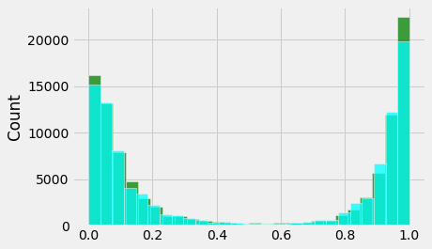
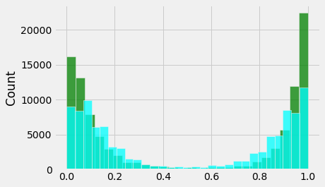
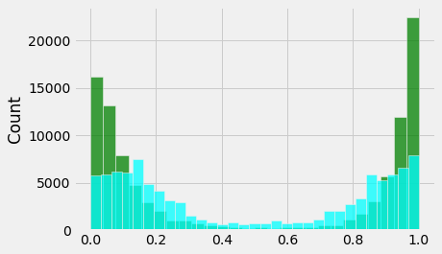

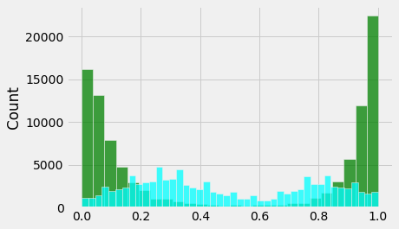



One-sided T-Test
Ho: PRD_D - H0_D <= delta
Ha: PRD_D - H0_D > delta

delta = H0_D * 2.35

1. how to determine delta?
2. One-sided KS test?
3. Regression simulation
4. Real dataset

True negative?

Opmetizely
Sequential algorithm | OneXP
MAB |  |  |  |  |  |  |  |  |  |  |  |  |  |  |  |  |  |  |  |  |  |  |  |  |  |  |  |  |  |  |  |  |  |  |  |  | 0.93845601124

Ref
H0
PRD
100 -> distance
100 distances
HT
10000
10000

V4 - GN - F2
Gaussian Noise |  | (0, 0.01) |  |  |  |  |  |  |  | (0, 0.05) |  |  |  |  |  |  |  | (0, 0.1) |  |  |  |  |  |  |  | (0, 0.25) |  |  |  |  |  |  |  | (0, 0.5) |  |  |  |  |  |  |  | (0, 0.75) |  |  |  |  |  |  |  | (0, 1)
H0 Accuracy |  | 0.91853 |  |  |  |  |  |  |  | 0.91853 |  |  |  |  |  |  |  | 0.91853 |  |  |  |  |  |  |  | 0.91853 |  |  |  |  |  |  |  | 0.91853 |  |  |  |  |  |  |  | 0.91853 |  |  |  |  |  |  |  | 0.91853
PRD Accuracy |  | 0.92074 (100.2%) |  |  |  |  |  |  |  | 0.92085 (100.3%) |  |  |  |  |  |  |  | 0.91986 (100.1%) |  |  |  |  |  |  |  | 0.90681 (98.7%) |  |  |  |  |  |  |  | 0.88409 (96.2%) |  |  |  |  |  |  |  | 0.86811 (94.5%) |  |  |  |  |  |  |  | 0.85542 (93.1%)
Test Method |  | Test Method |  |  |  | Distance |  |  |  | Test Method |  |  |  | Distance |  |  |  | Test Method |  |  |  | Distance |  |  |  | Test Method |  |  |  | Distance |  |  |  | Test Method |  |  |  | Distance |  |  |  | Test Method |  |  |  | Distance |  |  |  | Test Method |  |  |  | Distance
 |  | KS-Test | KS-1S | T-Test | T-1S | H0_D | PRD_D | Diff | Ratio | KS-Test | KS-1S | T-Test | T-1S | H0_D | PRD_D | Diff | Ratio | KS-Test | KS-1S | T-Test | T-1S | H0_D | PRD_D | Diff | Ratio | KS-Test | KS-1S | T-Test | T-1S | H0_D | PRD_D | Diff | Ratio | KS-Test | KS-1S | T-Test | T-1S | H0_D | PRD_D | Diff | Ratio | KS-Test | KS-1S | T-Test | T-1S | H0_D | PRD_D | Diff | Ratio | KS-Test | KS-1S | T-Test | T-1S | H0_D | PRD_D | Diff | Ratio
EM Distance | 100/100 | 3.1% | 0.0% | 3.3% | 0.0% | 0.05388 | 0.05400 | 0.00012 | 0.22% | 76.3% | 0.0% | 58.0% | 0.0% | 0.05388 | 0.06212 | 0.00824 | 15.29% | 100.0% | 0.0% | 100.0% | 0.0% | 0.05388 | 0.07723 | 0.02335 | 43.34% | 100.0% | 41.3% | 100.0% | 0.0% | 0.05388 | 0.11485 | 0.06097 | 113.16% | 100.0% | 100.0% | 100.0% | 0.0% | 0.05388 | 0.15516 | 0.10128 | 187.97% | 100.0% | 100.0% | 100.0% | 7.4% | 0.05388 | 0.18085 | 0.12697 | 235.65% | 100.0% | 100.0% | 100.0% | 51.1% | 0.05388 | 0.19929 | 0.14541 | 269.88%
EM Distance | 100/500 | 4.2% | 0.0% | 3.8% | 0.0% | 0.05390 | 0.05398 | 0.00008 | 0.15% | 100.0% | 0.0% | 99.8% | 0.0% | 0.05390 | 0.06211 | 0.00821 | 15.23% | 100.0% | 0.0% | 100.0% | 0.0% | 0.05390 | 0.07721 | 0.02331 | 43.25% | 100.0% | 100.0% | 100.0% | 0.0% | 0.05390 | 0.11482 | 0.06092 | 113.02% | 100.0% | 100.0% | 100.0% | 0.0% | 0.05390 | 0.15514 | 0.10124 | 187.83% | 100.0% | 100.0% | 100.0% | 6.0% | 0.05390 | 0.18082 | 0.12692 | 235.47% | 100.0% | 100.0% | 100.0% | 96.8% | 0.05390 | 0.19928 | 0.14538 | 269.72%
EM Distance | 100/1000 | 3.1% | 0.0% | 3.3% | 0.0% | 0.05391 | 0.05398 | 0.00007 | 0.13% | 100.0% | 0.0% | 100.0% | 0.0% | 0.05391 | 0.06212 | 0.00821 | 15.23% | 100.0% | 0.0% | 100.0% | 0.0% | 0.05391 | 0.07723 | 0.02332 | 43.26% | 100.0% | 100.0% | 100.0% | 0.0% | 0.05391 | 0.11485 | 0.06094 | 113.04% | 100.0% | 100.0% | 100.0% | 0.0% | 0.05391 | 0.15516 | 0.10125 | 187.81% | 100.0% | 100.0% | 100.0% | 5.8% | 0.05391 | 0.18089 | 0.12698 | 235.54% | 100.0% | 100.0% | 100.0% | 100.0% | 0.05391 | 0.19929 | 0.14538 | 269.67%
EM Distance | 500/100 | 3.6% | 0.0% | 6.3% | 0.0% | 0.02412 | 0.02462 | 0.00050 | 2.07% | 100.0% | 0.0% | 100.0% | 0.0% | 0.02412 | 0.03861 | 0.01449 | 60.07% | 100.0% | 94.6% | 100.0% | 0.0% | 0.02412 | 0.05859 | 0.03447 | 142.91% | 100.0% | 100.0% | 100.0% | 99.5% | 0.02412 | 0.10311 | 0.07899 | 327.49% | 100.0% | 100.0% | 100.0% | 100.0% | 0.02412 | 0.14823 | 0.12411 | 514.55% | 100.0% | 100.0% | 100.0% | 100.0% | 0.02412 | 0.17593 | 0.15181 | 629.39% | 100.0% | 100.0% | 100.0% | 100.0% | 0.02412 | 0.19548 | 0.17136 | 710.45%
EM Distance | 500/500 | 9.3% | 0.0% | 9.8% | 0.0% | 0.23170 | 0.02462 | (0.20708) | -89.37% | 100.0% | 0.0% | 100.0% | 0.0% | 0.02417 | 0.03862 | 0.01445 | 59.78% | 100.0% | 100.0% | 100.0% | 0.0% | 0.02417 | 0.05859 | 0.03442 | 142.41% | 100.0% | 100.0% | 100.0% | 100.0% | 0.02417 | 0.10311 | 0.07894 | 326.60% | 100.0% | 100.0% | 100.0% | 100.0% | 0.02417 | 0.01482 | (0.00935) | -38.67% | 100.0% | 100.0% | 100.0% | 100.0% | 0.02417 | 0.17593 | 0.15176 | 627.89% | 100.0% | 100.0% | 100.0% | 100.0% | 0.02417 | 0.19549 | 0.17132 | 708.81%
EM Distance | 500/1000 | 15.2% | 0.0% | 12.7% | 0.0% | 0.02419 | 0.02462 | 0.00043 | 1.78% | 100.0% | 0.0% | 100.0% | 0.0% | 0.02419 | 0.03863 | 0.01444 | 59.69% | 100.0% | 100.0% | 100.0% | 0.0% | 0.02419 | 0.05861 | 0.03442 | 142.29% | 100.0% | 100.0% | 100.0% | 100.0% | 0.02419 | 0.10313 | 0.07894 | 326.33% | 100.0% | 100.0% | 100.0% | 100.0% | 0.02419 | 0.14825 | 0.12406 | 512.86% | 100.0% | 100.0% | 100.0% | 100.0% | 0.02419 | 0.17594 | 0.15175 | 627.33% | 100.0% | 100.0% | 100.0% | 100.0% | 0.02419 | 0.19552 | 0.17133 | 708.27%
EM Distance | 1000/100 | 6.3% | 0.0% | 9.4% | 0.0% | 0.01710 | 0.01776 | 0.00066 | 3.86% | 100.0% | 0.0% | 100.0% | 0.0% | 0.01710 | 0.03378 | 0.01668 | 97.54% | 100.0% | 100.0% | 100.0% | 1.3% | 0.01710 | 0.05495 | 0.03785 | 221.35% | 100.0% | 100.0% | 100.0% | 100.0% | 0.01710 | 0.10123 | 0.08413 | 491.99% | 100.0% | 100.0% | 100.0% | 100.0% | 0.01710 | 0.14738 | 0.13028 | 761.87% | 100.0% | 100.0% | 100.0% | 100.0% | 0.01710 | 0.17537 | 0.15827 | 925.56% | 100.0% | 100.0% | 100.0% | 100.0% | 0.01710 | 0.19511 | 0.17801 | 1040.99%
EM Distance | 1000/500 | 34.5% | 0.0% | 23.3% | 0.0% | 0.01712 | 0.01780 | 0.00068 | 3.97% | 100.0% | 0.0% | 100.0% | 0.0% | 0.01712 | 0.03381 | 0.01669 | 97.49% | 100.0% | 100.0% | 100.0% | 0.1% | 0.01712 | 0.05497 | 0.03785 | 221.09% | 100.0% | 100.0% | 100.0% | 100.0% | 0.01712 | 0.10123 | 0.08411 | 491.30% | 100.0% | 100.0% | 100.0% | 100.0% | 0.01712 | 0.14738 | 0.13026 | 760.86% | 100.0% | 100.0% | 100.0% | 100.0% | 0.01712 | 0.17538 | 0.15826 | 924.42% | 100.0% | 100.0% | 100.0% | 100.0% | 0.01712 | 0.19510 | 0.17798 | 1039.60%
EM Distance | 1000/1000 | 66.7% | 0.0% | 37.9% | 0.0% | 0.01715 | 0.01779 | 0.00064 | 3.73% | 100.0% | 0.0% | 100.0% | 0.0% | 0.01715 | 0.03381 | 0.01666 | 97.14% | 100.0% | 100.0% | 100.0% | 0.0% | 0.01715 | 0.05497 | 0.03782 | 220.52% | 100.0% | 100.0% | 100.0% | 100.0% | 0.01715 | 0.10123 | 0.08408 | 490.26% | 100.0% | 100.0% | 100.0% | 100.0% | 0.01715 | 0.14737 | 0.13022 | 759.30% | 100.0% | 100.0% | 100.0% | 100.0% | 0.01715 | 0.17539 | 0.15824 | 922.68% | 100.0% | 100.0% | 100.0% | 100.0% | 0.01715 | 0.19510 | 0.17795 | 1037.61%
KS Test | 100 | 3.2% | 0.0% |  |  | 0.11120 | 0.11373 | 0.00253 | 2.3% | 18.4% | 0.0% |  |  | 0.11120 | 0.15717 | 0.04597 | 41.3% | 57.6% |  |  |  | 0.11120 | 0.20665 | 0.09545 | 85.8% | 98.9% | 0.2% |  |  | 0.11120 | 0.28426 | 0.17306 | 155.6% | 100.0% | 4.5% |  |  | 0.11120 | 0.34297 | 0.23177 | 208.4% | 100.0% | 14.3% |  |  | 0.11120 | 0.37347 | 0.26227 | 235.9% | 100.0% | 28.0% |  |  | 0.11120 | 0.39299 | 0.28179 | 253.4%
KS Test | 250 | 4.8% | 0.0% |  |  | 0.06976 | 0.07462 | 0.00486 | 7.0% | 56.6% | 0.0% |  |  | 0.06976 | 0.12880 | 0.05904 | 84.6% | 99.2% |  |  |  | 0.06976 | 0.17963 | 0.10987 | 157.5% | 100.0% | 0.3% |  |  | 0.06976 | 0.25978 | 0.19002 | 272.4% | 100.0% | 21.8% |  |  | 0.06976 | 0.31912 | 0.24936 | 357.5% | 100.0% | 62.9% |  |  | 0.06976 | 0.35041 | 0.28065 | 402.3% | 100.0% | 83.3% |  |  | 0.06976 | 0.37032 | 0.30056 | 430.8%
KS Test | 500 | 6.6% | 0.0% |  |  | 0.05022 | 0.05384 | 0.00362 | 7.2% | 93.0% | 0.0% |  |  | 0.05022 | 0.11428 | 0.06406 | 127.6% | 100.0% |  |  |  | 0.05022 | 0.16700 | 0.11678 | 232.5% | 100.0% | 2.0% |  |  | 0.05022 | 0.24725 | 0.19703 | 392.3% | 100.0% | 63.4% |  |  | 0.05022 | 0.30674 | 0.25652 | 510.8% | 100.0% | 96.9% |  |  | 0.05022 | 0.33847 | 0.28825 | 574.0% | 100.0% | 99.9% |  |  | 0.05022 | 0.35866 | 0.30844 | 614.2%
KS Test | 1000 | 7.1% | 0.0% |  |  | 0.03601 | 0.04092 | 0.00491 | 13.6% | 100.0% | 0.0% |  |  | 0.03601 | 0.10783 | 0.07182 | 199.4% | 100.0% |  |  |  | 0.03601 | 0.16083 | 0.12482 | 346.6% | 100.0% | 11.1% |  |  | 0.03601 | 0.24029 | 0.20428 | 567.3% | 100.0% | 98.4% |  |  | 0.03601 | 0.30006 | 0.26405 | 733.3% | 100.0% | 100.0% |  |  | 0.03601 | 0.33181 | 0.29580 | 821.4% | 100.0% | 100.0% |  |  | 0.03601 | 0.35162 | 0.31561 | 876.5%

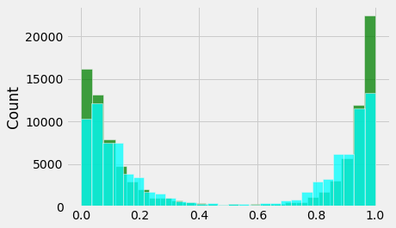
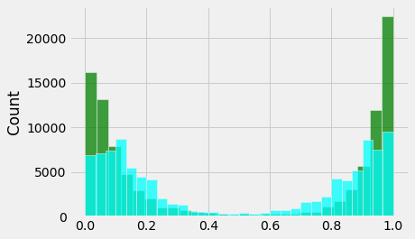
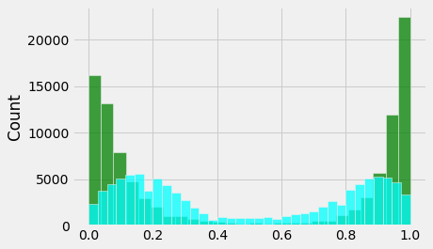
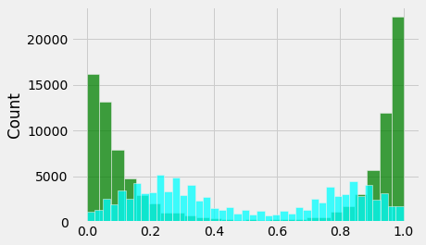


One-sided T-Test
Ho: PRD_D - H0_D <= delta
Ha: PRD_D - H0_D > delta

delta = H0_D * 2.35

1. how to determine delta?
2. One-sided KS test?
3. Regression simulation
4. Real dataset

True negative?

Opmetizely
Sequential algorithm | OneXP
MAB

Ref
H0
PRD
100 -> distance
100 distances
HT
10000
10000

